Design load sets
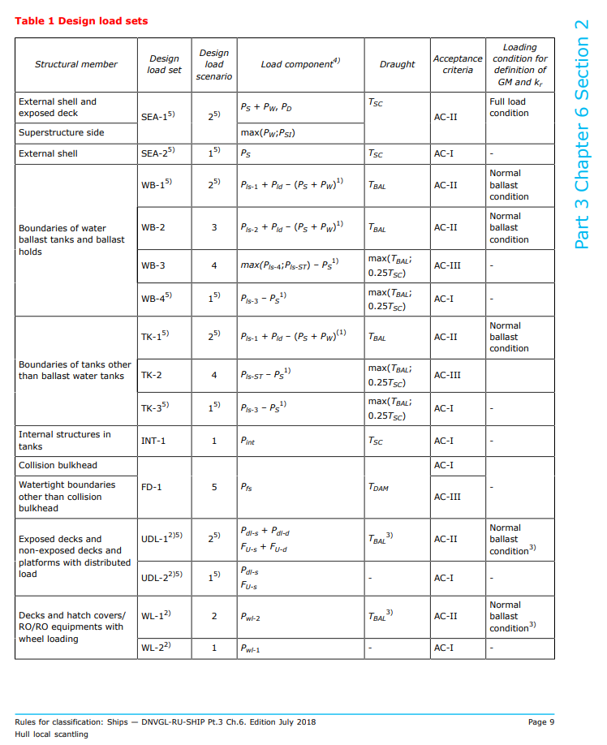
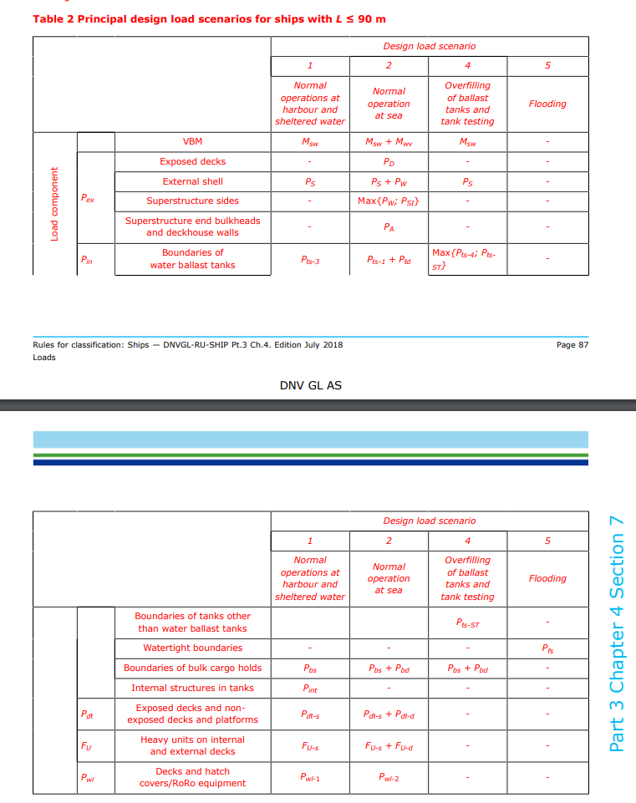
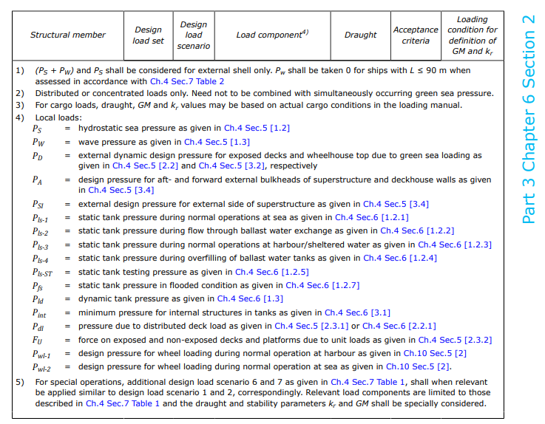

SEA-1, SEA-2
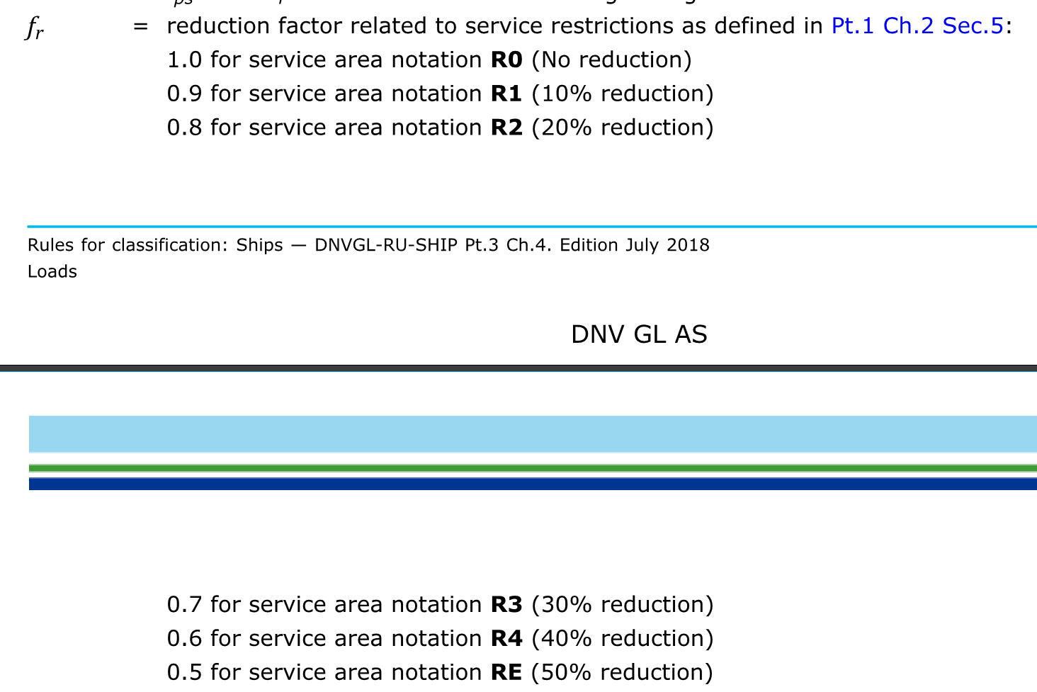
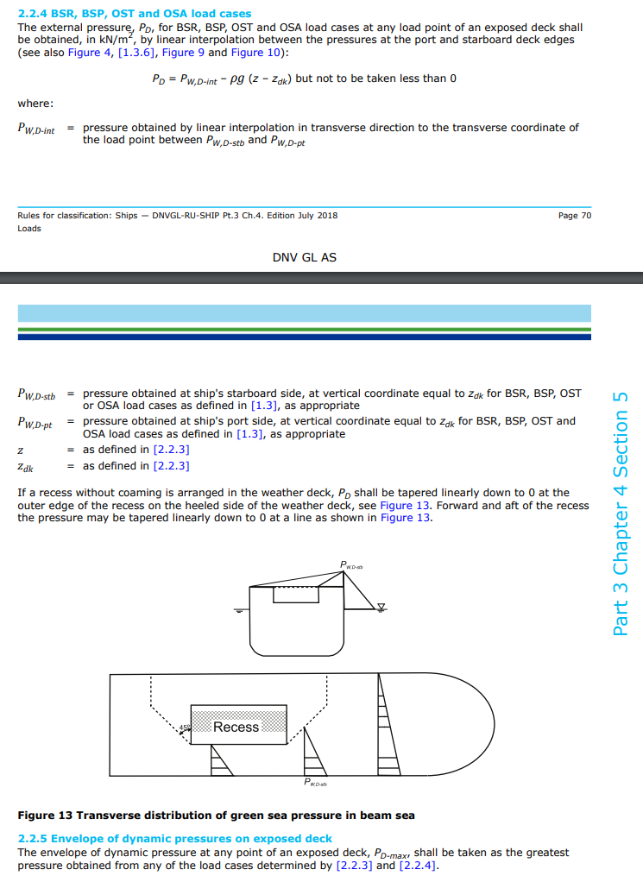
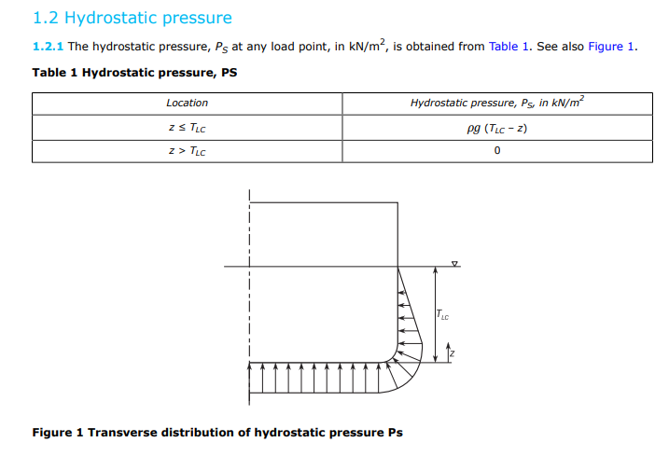
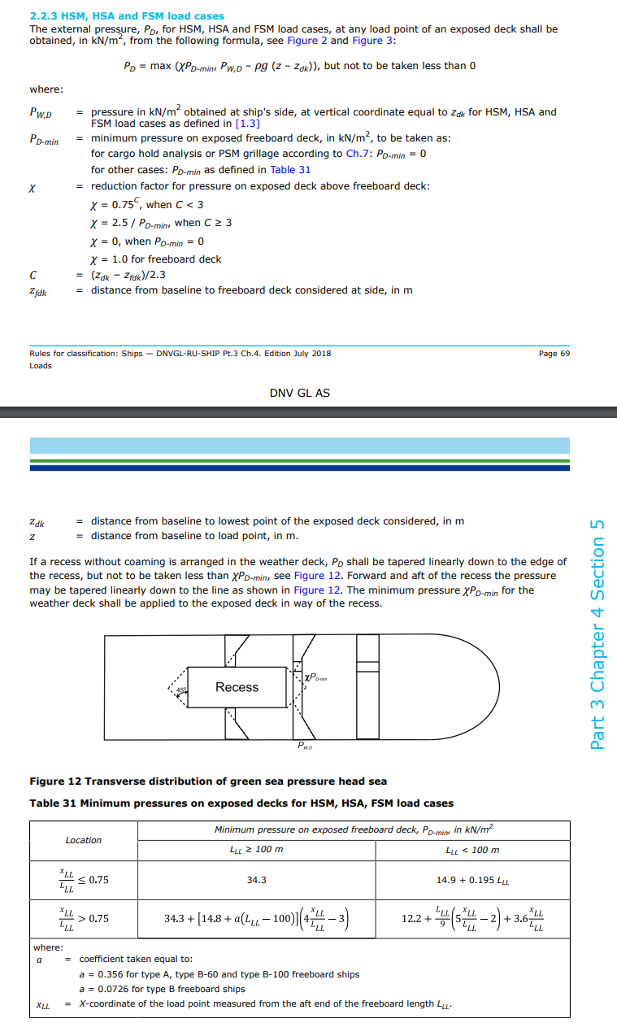
 |  | Parametres | Input
 |  | L [m] | 74.34
 |  | B [m] | 17.20
 |  | Bx | 15.48
 |  | V [knots] (service speed) | 15.00
 |  | frame spacing [mm] | 600
 | PLATE | x [m] | 7.80
 |  | y [m] | 4.25
 |  | z [m] | 2.80
 | STIFFNERS | x [m] | 8.00
 |  | y [m] | 2.50
 |  | z [m] | 3.80
 |  | CB | 0.58
 |  | TSC [m] (=TLC) | 8.50
 |  | TLC [m] | 8.50
 |  | zdk | 5.00
 |  | zfdk | 3.80
 |  | fr | 1.00
 |  | c | 0.52
 |  | χ (plate) | 0.86
 |  | χ (stiffener) | 1.00
 |  | PD-min (plate) | 29.40
 |  | PD-min (stiffener) | 29.40
 |  | fyB (plate) | 0.55
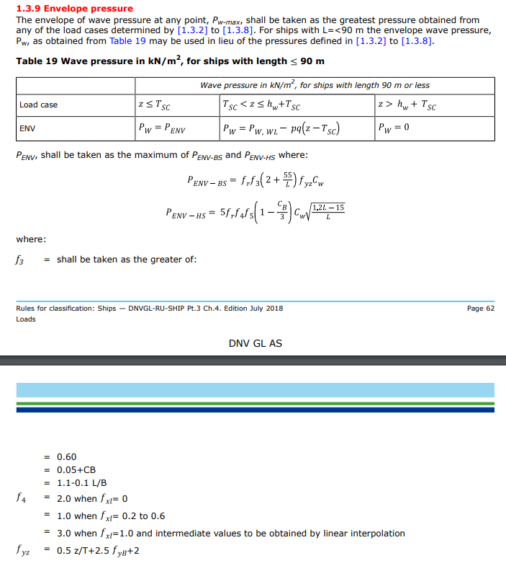
 |  | fyB(stiffener) | 0.32
 |  | fyz (plate) | 3.54
 |  | fyz (stiffener) | 3.03
 |  | x/L (plate) | 0.10
 |  | x/L (stiffners) | 0.11
 |  | f_3 | 0.67
 |  | f_4 (based on f_xl, plate) | 1.00
 |  | f_4 (stiffners) | 1.00
 |  | f_5 (plate) | 1.48
 |  | f_5 (stiffners) | 1.46
 |  | Cw | 6.36
 |  | Pw,wl (plate) | 58.21
 |  | Pw,wl (stiffners) | 58.21
 |  | P_ENV (plate) | 41.19
 |  | P_ENV (stiffener) | 37.49
External shell and exposed deck | SEA-1 | Pw + Ps (plate) | 98.5
 |  | Pw + Ps (stiffener) | 84.7
 |  | PD (plate) | 63.3
 |  | PD (stiffener) | 49.6
Superstructure side |  | max(PW;PSI) plate | 98.5
 |  | max(PW;PSI) stiffeners | 84.7
External shell | SEA-2 | Ps | 57.3

 |  | Plate
 |  | P
 |  | R_eH | 235
 |  | C_a | 0.95
 |  | treq | 0.00

 |  | Stiffeners
 |  | l (stiffener length) | 3.50
 |  | f_u (HP-profile) | 1
 |  | f_bdg (10 for trv. Stiff?) | 12
 |  | P
 |  | C_s (=0,95, simplified) | 0.95
 |  | R_eH | 235
 |  | zreq | 0.0

Tanks
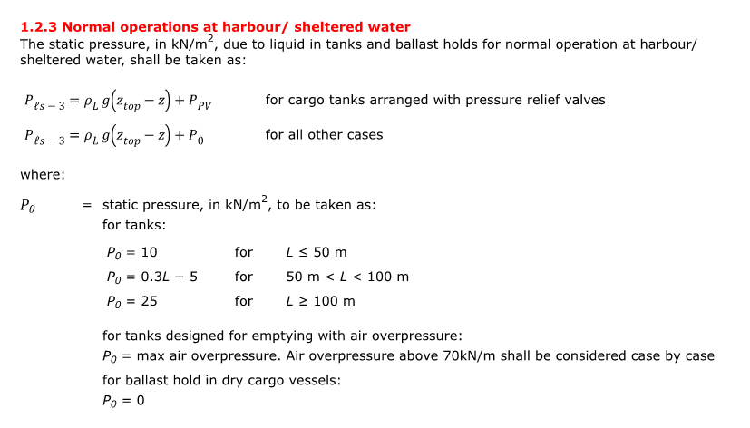
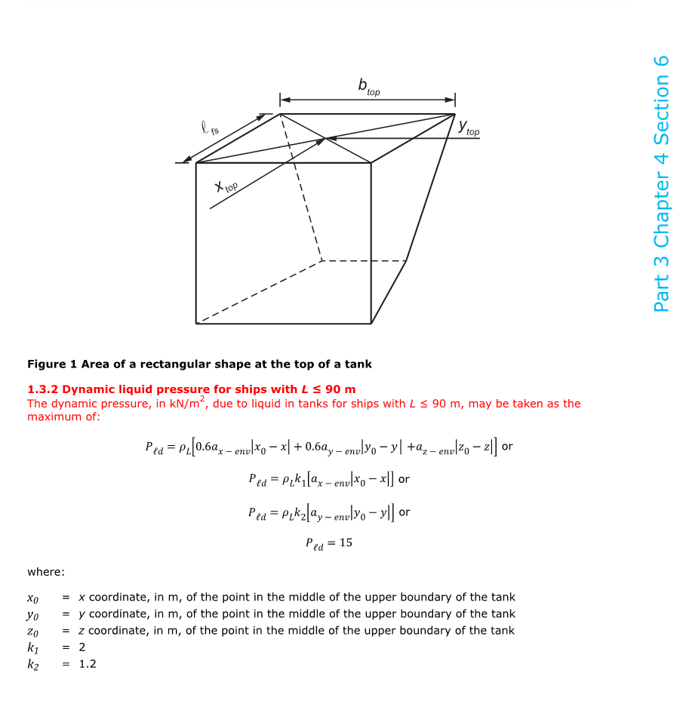
 |  | Parametres | Input
 |  | Ship type | Other | 1 | Double bottom tank
 |  | Compartment | 2 | 2 | Hopper side tanks
 |  | Lbp | 72 | 3 | Tanks
 |  | L [m] | 74.34 | 4 | Ballast hold
 |  | B [m] | 17.2 | 5 | Chain locker
 |  | TBallast [m] | 2.5 | 6 | Independent tanks
 |  | TSC [m] | 8.5 | 7 | Ballast ducts
 |  | CB [-] | 0.58
 |  | D [m] | 12.35
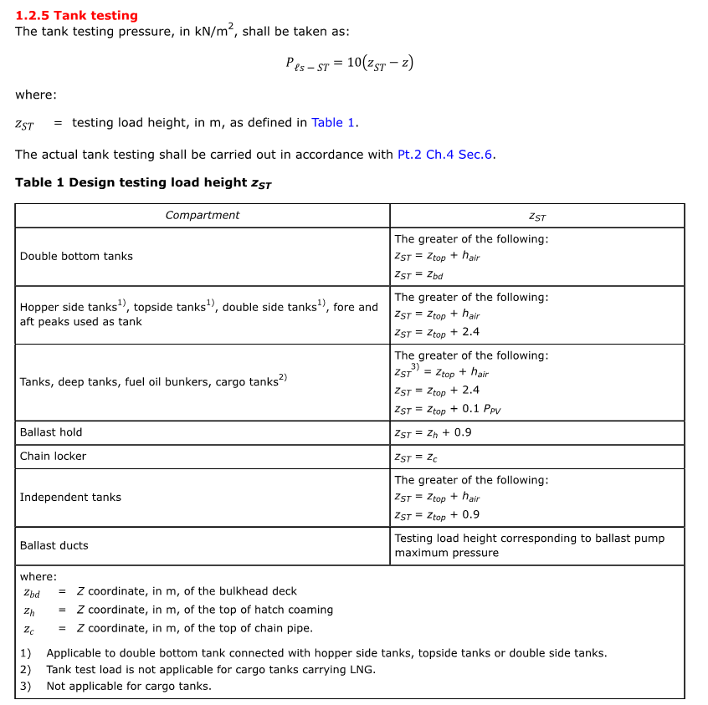
 |  | frame spacing [mm] | 600
 |  | GMfull load (if not calculated, leave blank) [m]
 |  | GMballast (if not calculated, leave blank) [m]
 |  | kr (if not calculated, leave blank) [m]
 |  | Bilge keel | No
 |  | v (if not specified in Pt.5, leave blank) [kn]
 |  | Service area notation
 |  | CG (from AP) (mm) CGx | 9846
 |  | CG from CL (mm) | 3200
 |  | CG from BL (mm) | 1165
 |  | Liquid density | 1.025
 |  | Bounding geometry Min X at top | 7250
 |  | Bounding geometry Max X at top | 12250
 |  | Bounding geometry Min Y at top | 1750
 |  | Bounding geometry Max Y at top | 5000
 |  | Bounding geometry Min Z | 0
 |  | Bounding geometry Max Z | 1700
 |  | ax env | 1.4107022168
 |  | ay env | 7.0230092988
 |  | az env | 7.9034232636
 |  | az env pitch | 7.8839636751
 |  | az env roll | 5.483738215
 |  | k1 | 2
 |  | k2 | 1.2
 |  | x0 | 2.5
 |  | y0 | 1.625
 |  | z0 | 1.7
 |  | x | 7250
 |  | y | 1750
 |  | z | 1700
 |  | hair | 18
 |  | Pdrop-2 | 25
 |  | Zbd
 |  | zh
 |  | zc
 |  | ZST | 0
 |  | PPV
 |  | P0 | 17.302
 |  | Pld | 15
 |  | Pis-ST | -17
 |  | Pis-1 | 0
 |  | Pis-4 | 205.9945
 |  | Pis-3 | 0
Boundaries of water ballast tanks and ballast holds | WB-1 | pis-1 + pld | 15.00
 | WB-3 | max(Pis-4;Pis-ST) | 205.99
 | WB-4 | pis-3 | 0.00
Boundaries of tanks other than water tanks | TK-1 | pis-1 + pld | 15.00
 | TK-2 | pis-ST | -17.00
 | TK-3 | pis-3 | 0.00

 |  | Plate
 |  | P
 |  | R_eH | 235
 |  | C_a | 0.95
 |  | treq NEW | 0.00

 |  | Stiffeners

 |  | P
 |  | l (stiffener length) | 3.50
 |  | f_u (HP-profile) | 1
 |  | f_bdg (10 for trv. Stiff?) | 12
 |  | C_s (=0,95, simplified) | 0.95
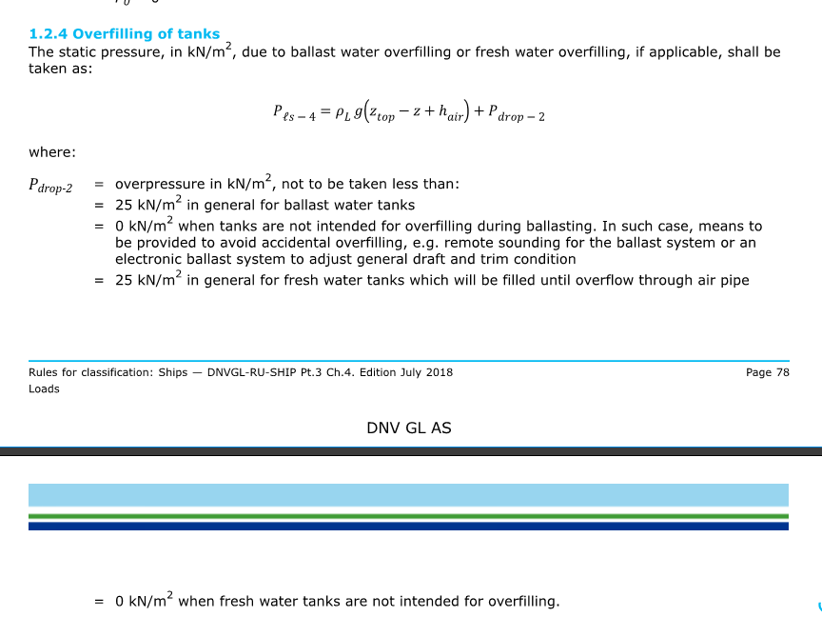
 |  | R_eH | 235
 |  | zreq NEW | 0.0

